ICT salary Kenya
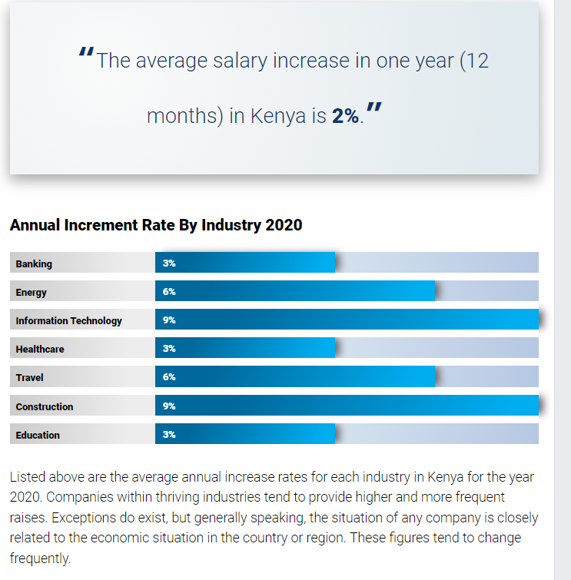

http://www.salaryexplorer.com/salary-survey.php?loc=111&loctype=1

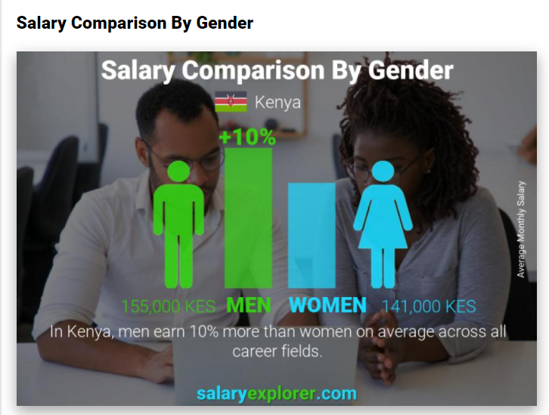

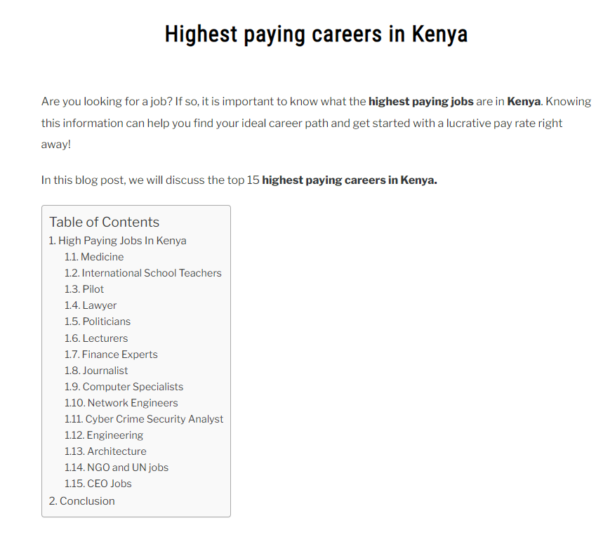

https://tafutakenya.com/highest-paying-careers-in-kenya/

digital inequality
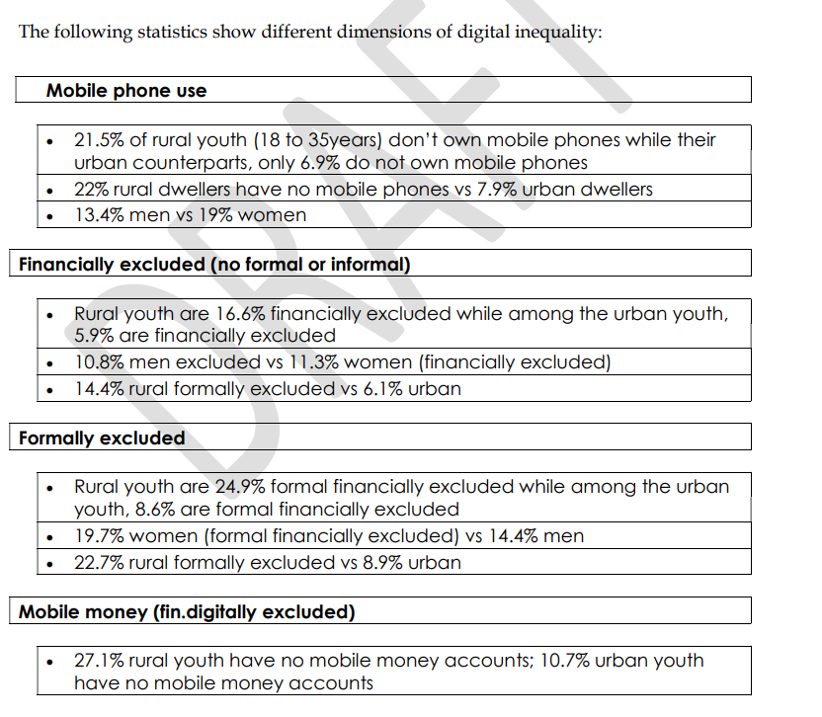

moringa school data
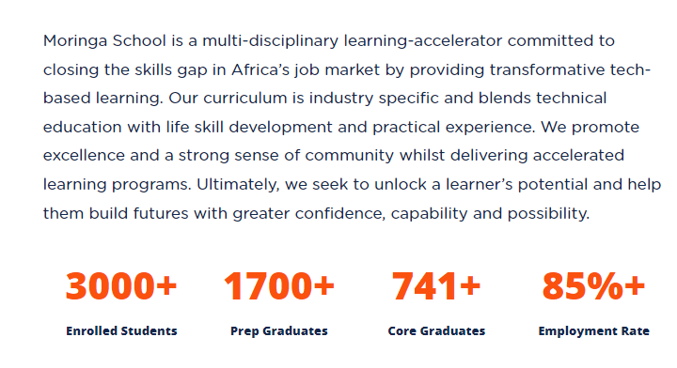

https://moringaschool.com/about-us

ICT developement
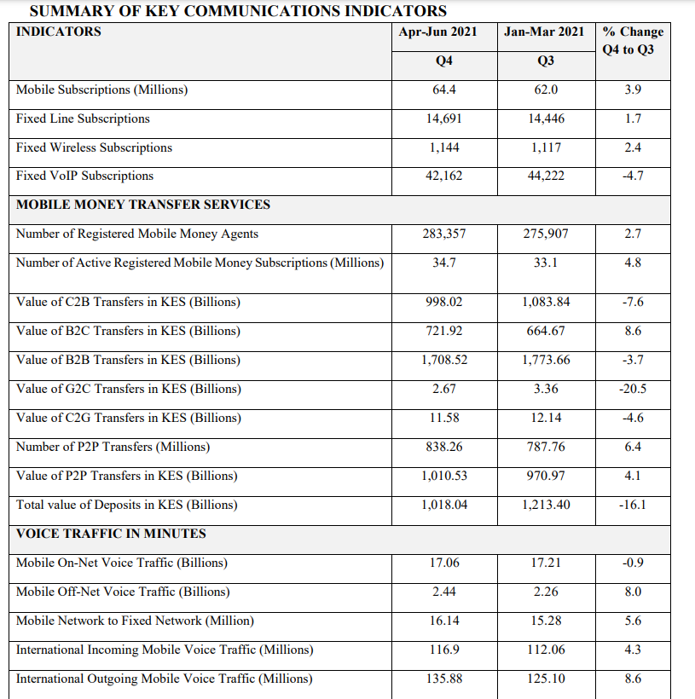

file:///C:/Users/Bowen/Downloads/Documents/Sector-Statistics-Report-Q4-2020-2021.pdf

employmentdata
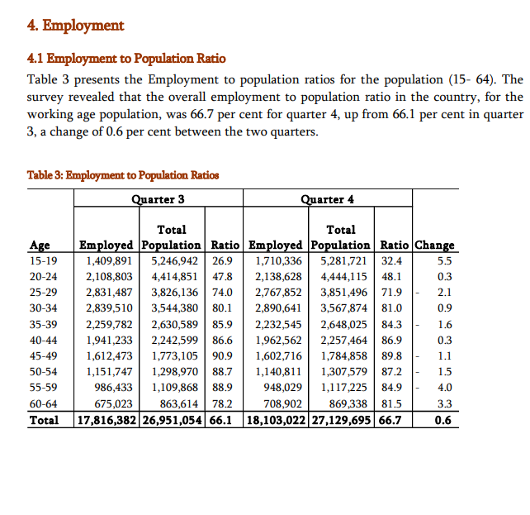
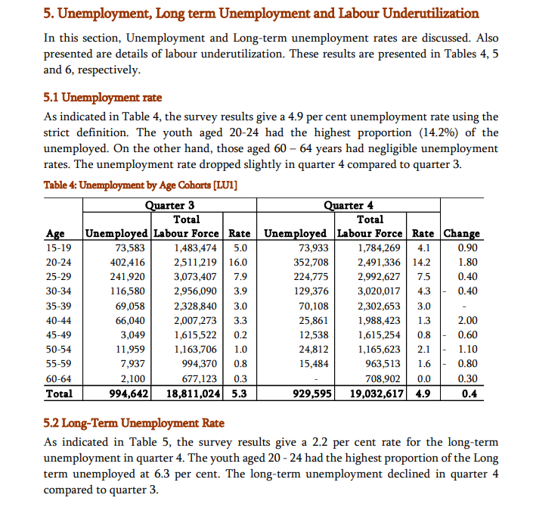
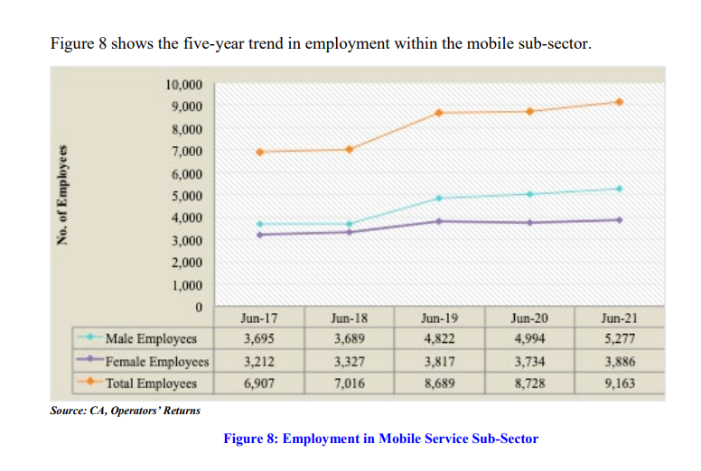

file:///C:/Users/Bowen/Downloads/Documents/Sector-Statistics-Report-Q4-2020-2021.pdf

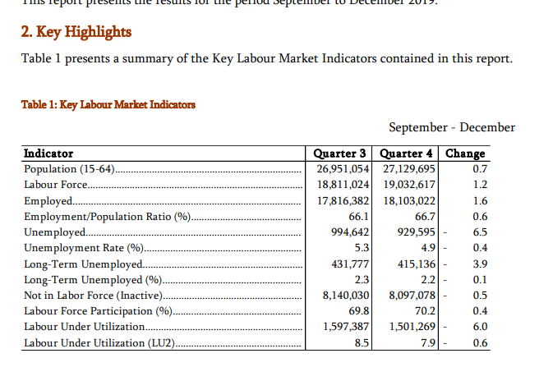

file:///D:/Documents/WeChat%20Files/wxid_78kr2twq72jr21/FileStorage/File/2021-09/KCSHP%20QLFS%20Q4.pdf

global competitiveness
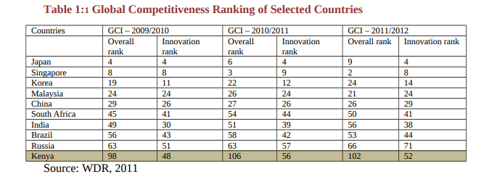

file:///C:/Users/Bowen/Downloads/Documents/sector%20plan%20for%20science%20and%20technology.pdf

cyber threat
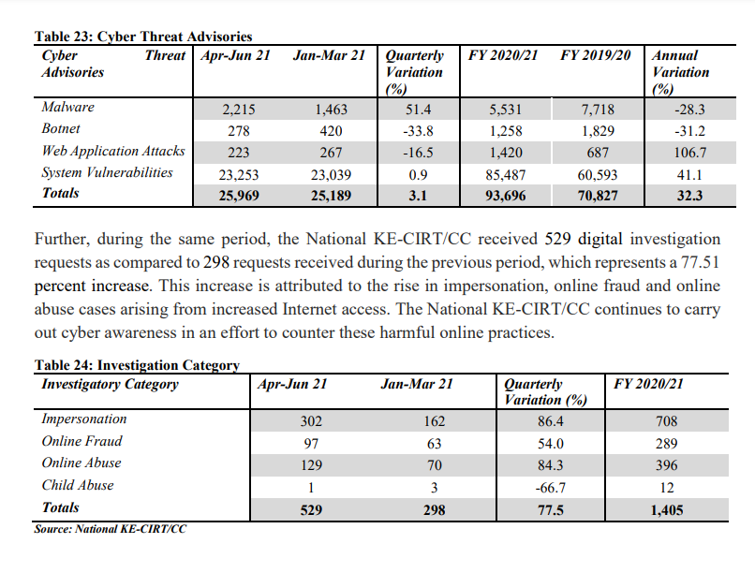

ICT market share
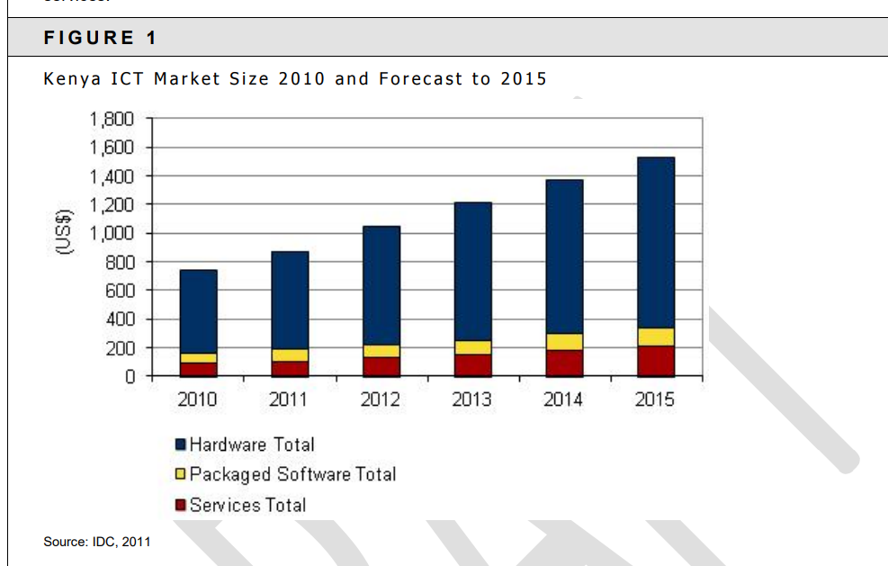

new job growth
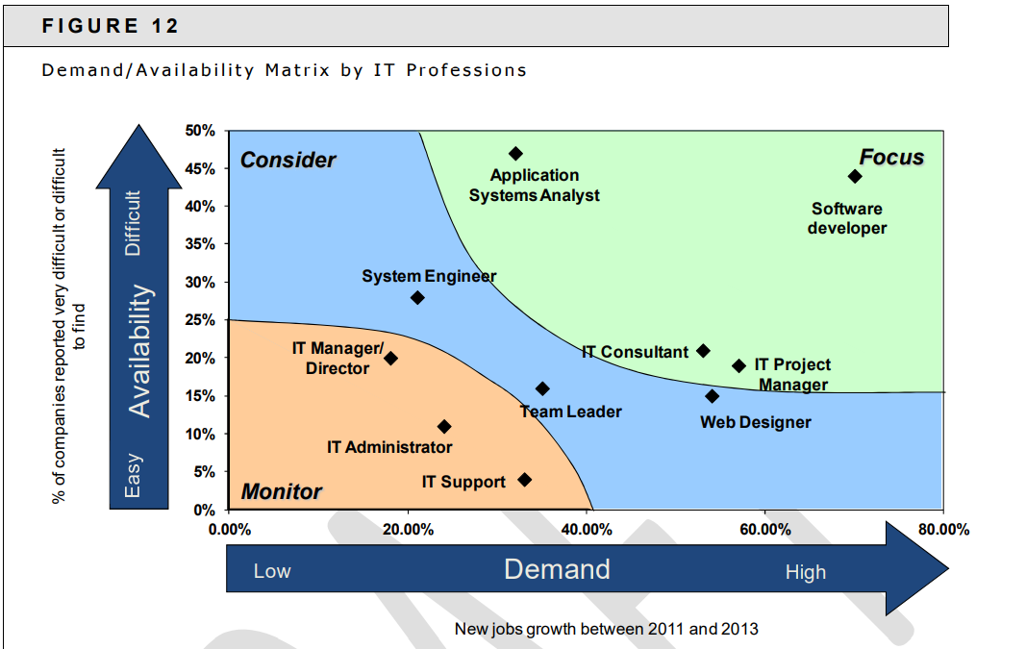

ICT demands
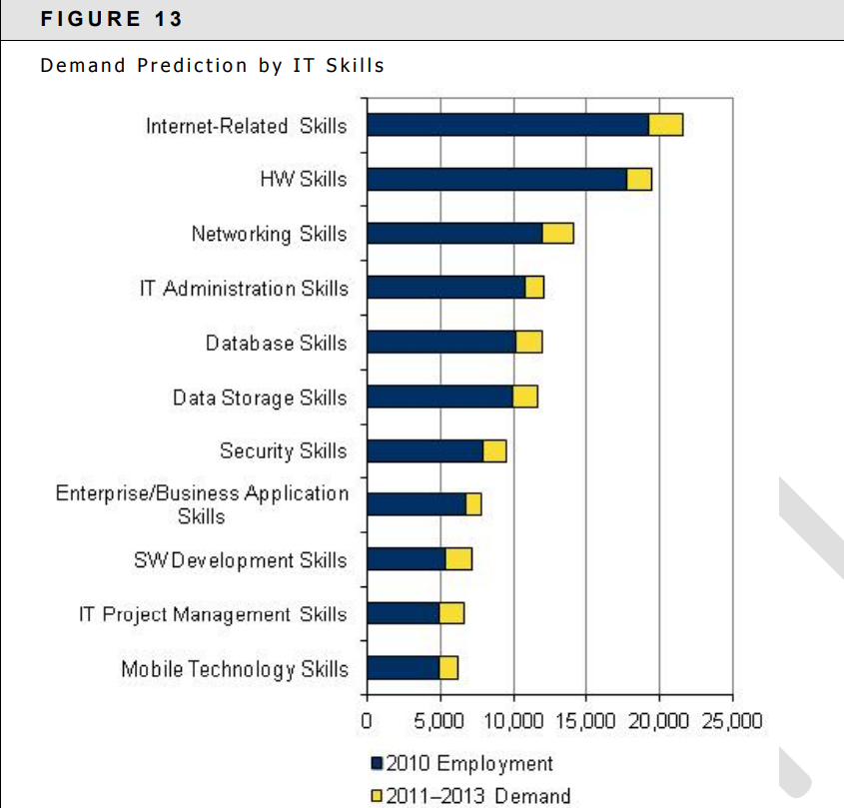

IT employment and spending
